Hiearchy View
CLASS: DOOR STRIKE
one of the primary components of a typical door locking system. | 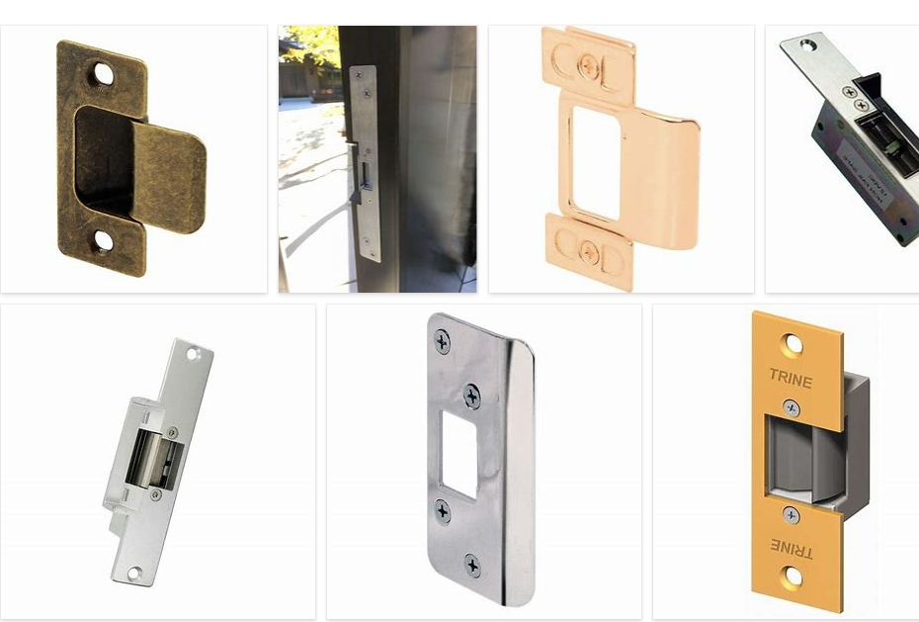
REMOVE | N

PROBLEM_DESC | CAUSE_DESC | REMEDY_DESC
BROKEN/DAMAGED
OTHER PROBLEM
POWER-ELEC
STOPPED/SLOWED/POOR OPS
TEMP-CTRL
VIBRATION
Grand Total

